Date dd.mm.yyyy
Project acronym |  |  |  |  |  |  |  |  |  |  |  |  |  |  |  |  |  | Review of dd.mm.yyyy

General information about the project |  |  |  |  |  |  |  |  |  |  |  |  |  |  |  |  |  | Logo / Project illustration
Project Title:
Project Leader:
Project Description and Main Objectives

Activities / Progress since last review |  |  |  |  |  |  |  |  |  |  |  |  |  | Project status
 |  |  |  |  |  |  |  |  |  |  |  |  |  | Total project budget:
 |  |  |  |  |  |  |  |  |  |  |  |  |  | Total Expenses (including personnel):
 |  |  |  |  |  |  |  |  |  |  |  |  |  | % of budget used to date: |  |  |  |  | #DIV/0!
 |  |  |  |  |  |  |  |  |  |  |  |  |  | % overall scientific progress:
 |  |  |  |  |  |  |  |  |  |  |  |  |  | Overall status of the project (+ comments if necessary)
Activities / Problems to solve in the next few weeks |  |  |  |  |  |  |  |  |  |  |  |  |  | Partners |  |  | Signed contracts? |  | Cash payment?
 |  |  |  |  |  |  |  |  |  |  |  |  |  |  |  |  | Consortium agreement | Funding agreement | 1st part | 2nd part
 |  |  |  |  |  |  |  |  |  |  |  |  |  | Company name
 |  |  |  |  |  |  |  |  |  |  |  |  |  | Company name
 |  |  |  |  |  |  |  |  |  |  |  |  |  | Company name
Remarks / Others |  |  |  |  |  |  |  |  |  |  |  |  |  | Company name
 |  |  |  |  |  |  |  |  |  |  |  |  |  | Company name
 |  |  |  |  |  |  |  |  |  |  |  |  |  | Company name
Planning & Progress (main activities) |  |  | month | month | month | month | month | month | month | month | month | month | month | month | month | month | month | month | month | month
WP0 | Kick-off dd.mm.yyyy
 | Intermediate report dd.mm.yyyyy
 | Final report dd.mm.yyyyy
WP1 | Activity
 | Activity
 | Milestone 1:
Information (to be deleted): possibility to use this Excel Gantt OR to copy a screenshot of your project Gantt where you can see the planning and progress of the tasks
WP2

WP3

 |  | Caption: |  | Initial plan: |  |  | Progress: |  | Milestones: |  |  |  |  |  |  | Collaborative Project - Monthly Follow-up Sheet / PC-M-E-006.02

Example 06.10.2021
BRACO |  |  |  |  |  |  |  |  |  |  |  |  |  |  |  |  | Review of 06.10.2021

General information about the project |  |  |  |  |  |  |  |  |  |  |  |  |  |  |  |  | 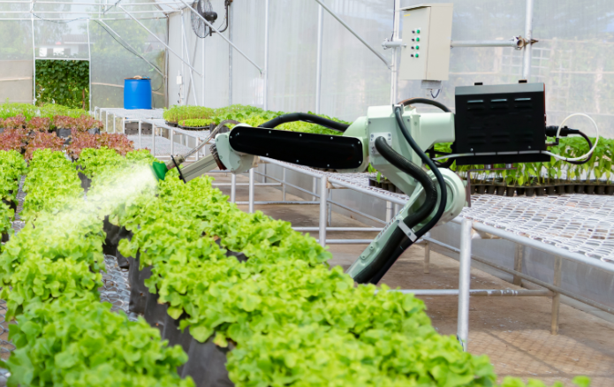 Logo / Illustration of project
Project Title: Development of a mechanical arm for watering salads
Project Leader: John Marrat
Project Description and Main Objectives
The objective of the BRACO project is to develop a mechanical arm for watering salads in greenhouses. To do this, the project is divided into 3 phases: 1. Definition of the specifications and characterization of the parts 2. Tests on pilot machines 3. Tests in real conditions at ViaB.
Activities/Progress since last review |  |  |  |  |  |  |  |  |  |  |  |  | Project status
Visit of sprinkler head suppliers Study of the products on the market Specification of established metal parts |  |  |  |  |  |  |  |  |  |  |  |  | Total project budget: |  |  |  |  | 150,000
 |  |  |  |  |  |  |  |  |  |  |  |  | Total Expenditures (including personnel): |  |  |  |  | 55,000
 |  |  |  |  |  |  |  |  |  |  |  |  | % of budget used to date: |  |  |  |  | 37%
Example for information purposes
Please delete this sheet
 |  |  |  |  |  |  |  |  |  |  |  |  | % overall scientific progress: |  |  |  |  | 35%
 |  |  |  |  |  |  |  |  |  |  |  |  | Overall status of the project (+ comments if necessary)
Activities / Problems to solve in the next few weeks |  |  |  |  |  |  |  |  |  |  |  |  | Partners |  |  | Signed contracts? |  | Cash payment?
Visit of Blimante for the automation of the prototype Characterization of the parts in the laboratory Development of the test protocol Problem: delay in delivery of the control tablet. Search for alternatives in progress |  |  |  |  |  |  |  |  |  |  |  |  |  |  |  | Consortium | Grant | 1st part | 2nd part
 |  |  |  |  |  |  |  |  |  |  |  |  | Telco
 |  |  |  |  |  |  |  |  |  |  |  |  | ViaB
 |  |  |  |  |  |  |  |  |  |  |  |  | Comu
Remarks / Others |  |  |  |  |  |  |  |  |  |  |  |  | Petruniom
A Doodle invitation will be sent shortly for the organization of a workshop with the partners. |  |  |  |  |  |  |  |  |  |  |  |  | Blimante
 |  |  |  |  |  |  |  |  |  |  |  |  | Ruit
Planning & Progress (main activities) |  | May 2021 | June 2021 | July 2021 | Aug 2021 | Sept 2021 | Oct 2021 | Nov 2021 | Dec 2021 | Jan 2022 | Feb 2022 | March 2022 | April 2022 | May 2022 | June 2022 | July 2022 | Aug 2022 | Sept 2022 | Oct 2022
WP0 | Kick-off 03.05.2021
 | Intermediate report 31.01.2022
 | Final report 30.12.2022
WP1 | Definition of specifications
 | Characterization of the parts
 | Milestone 1: technical guide
WP2 | Test phase on pilot machine
 | Analysis of the results
 | Finalization of the ABC prototype
WP3 | Tests in real conditions at ViaB
 | Adaptation of the prototype
 | Milestone 2: Finalized and validated prototype
 | Technology transfer
 |  |  | Initial plan: |  |  | Progress: |  | Milestones: |  |  |  |  |  |  | Collaborative Project - Monthly Follow-up Sheet / PC-M-E-006.02

